Schematic Section (1)
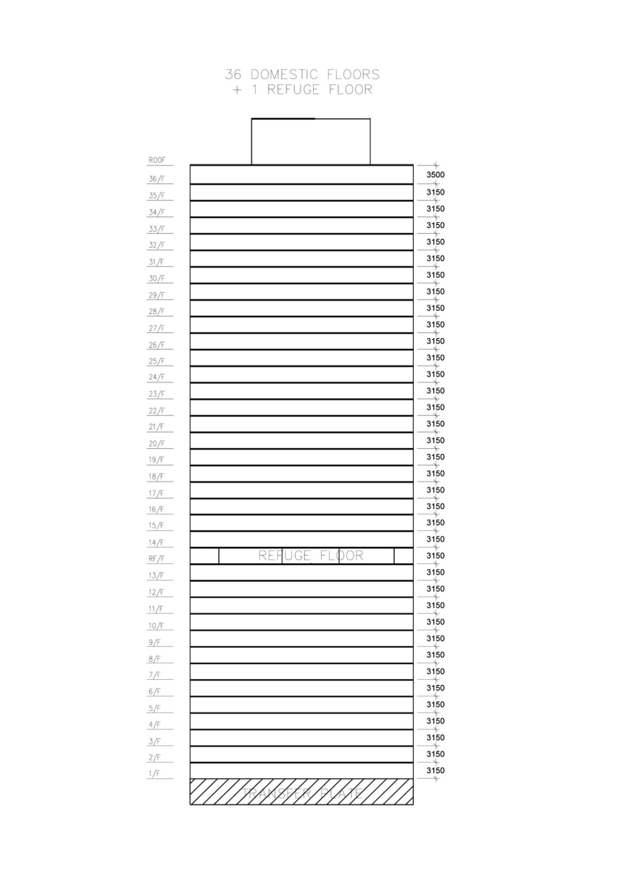
Schematic Section |  | Sheet no. | 1

 | Deemed to Satisfy RTTVwall
 | Compliance Check

Plans and Elevation (2)
Floor Plans |  | Sheet no. | 2
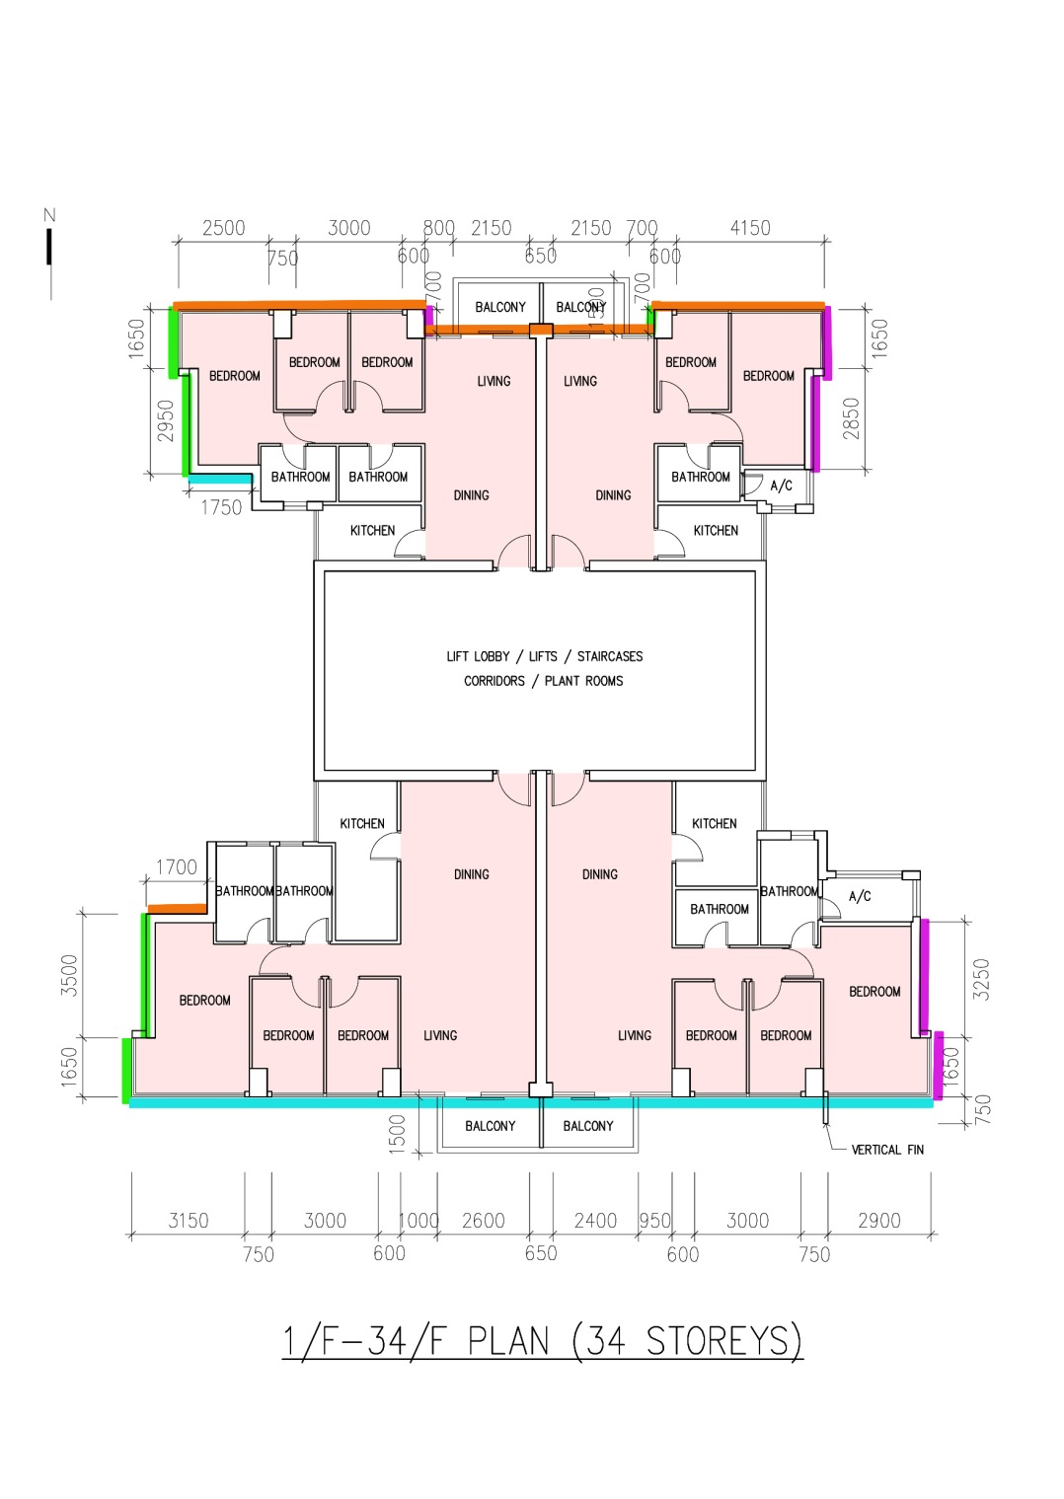
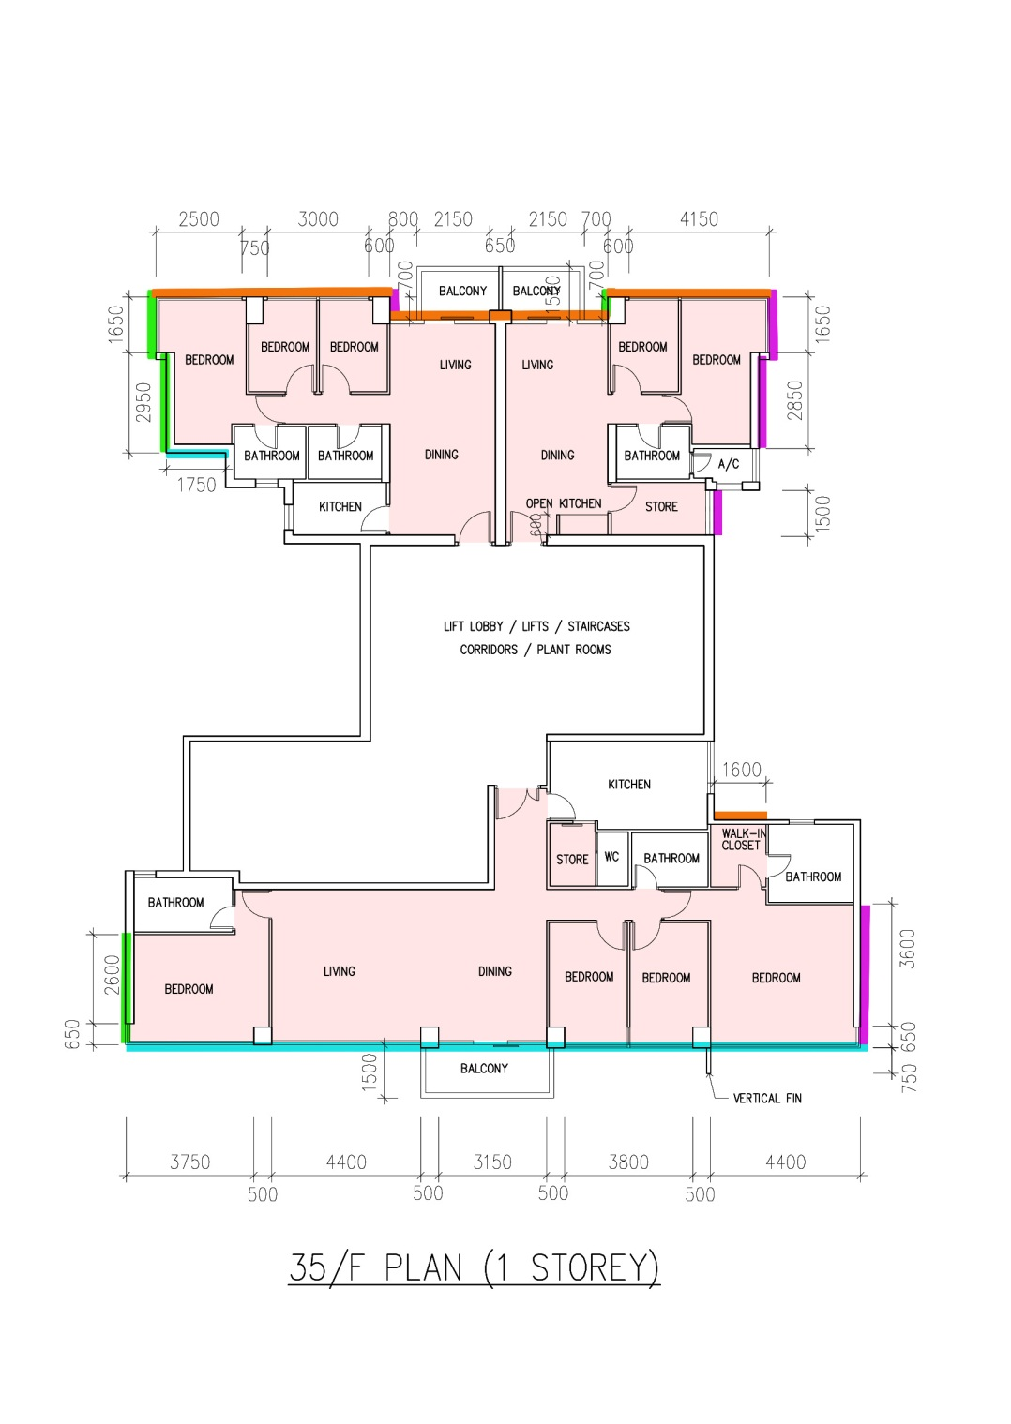

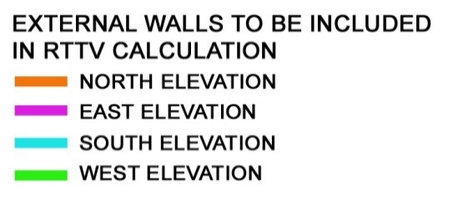

 | Deemed to Satisfy RTTVwall
 | Compliance Check

Plans and Elevation (3)
Floor Plans |  | Sheet no. | 3
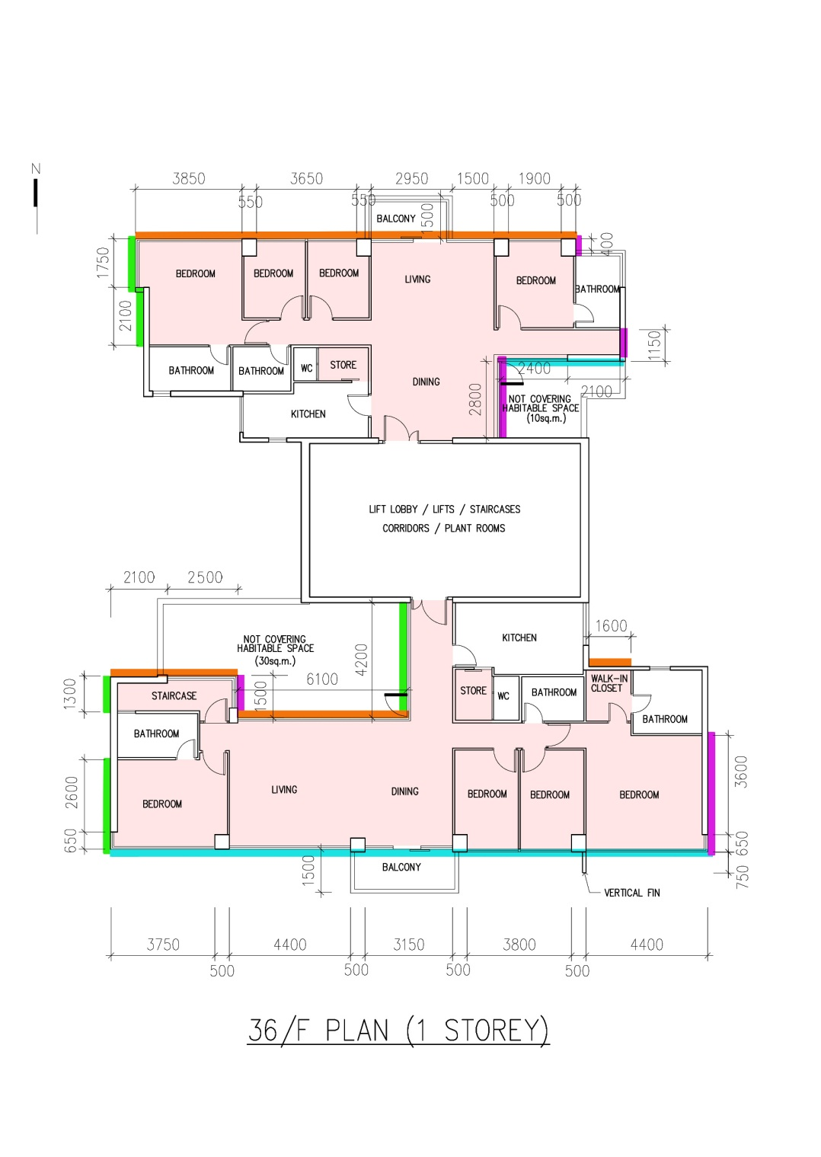
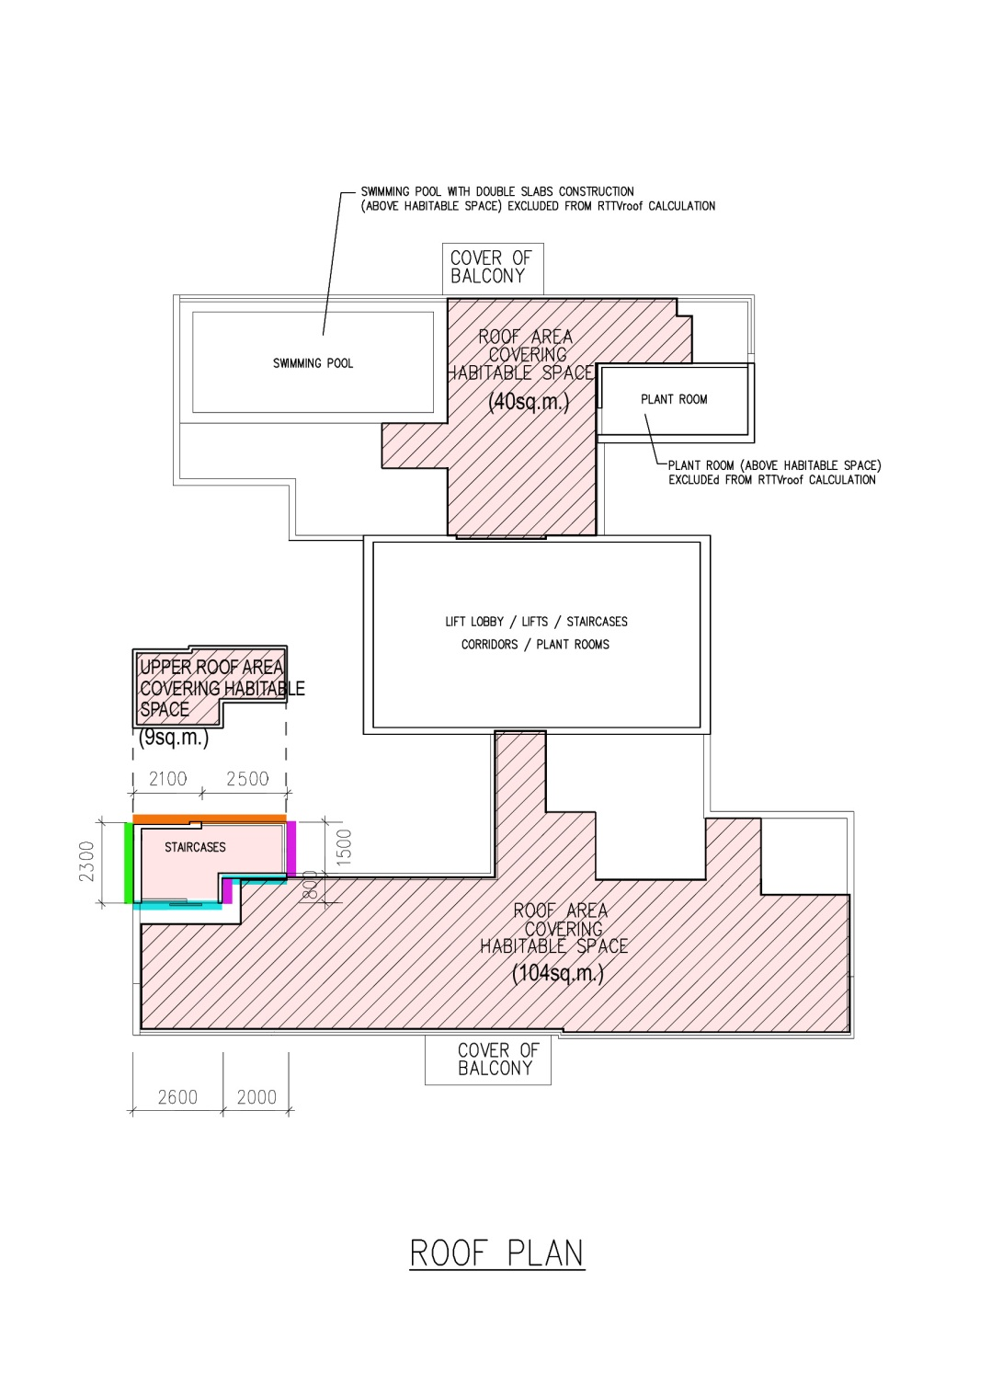

 | Deemed to Satisfy RTTVwall
 | Compliance Check

Typical Sections (4)
Typical Sections |  |  |  | Sheet no. | 4

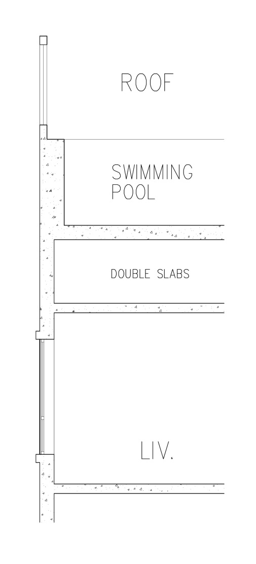

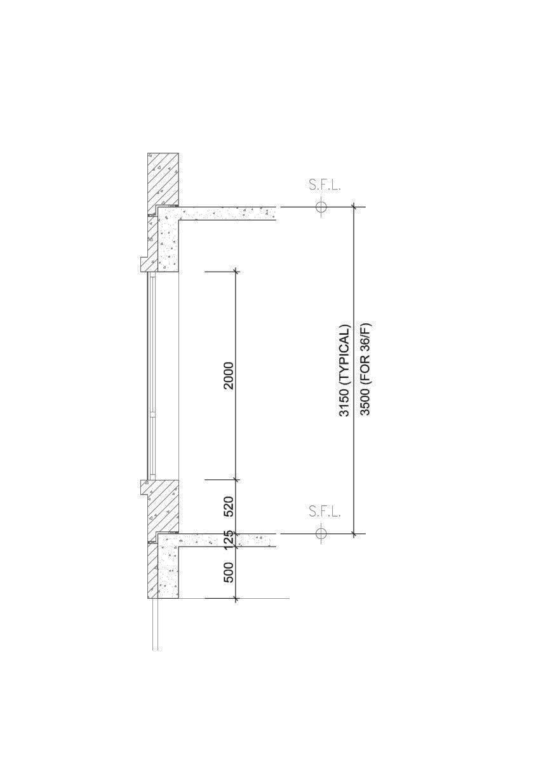
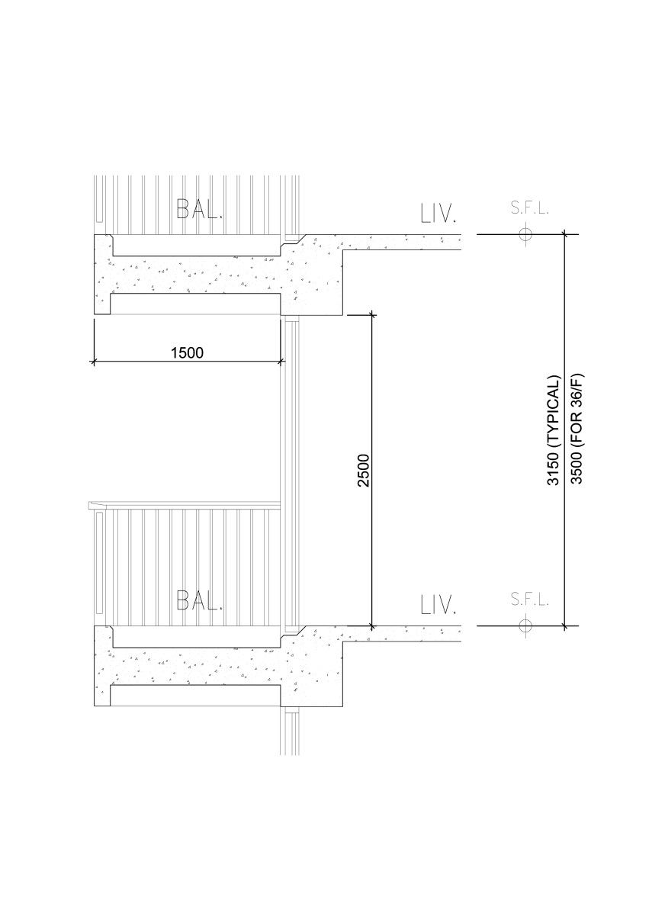

 | TYPICAL SECTION OF WINDOW | TYPICAL SECTION OF BALCONY | SWIMMING POOL WITH
 |  |  | DOUBLE SLAB CONSTRUCTION

Deemed to Satisfy RTTVwall
Compliance Check

