Schematic Section (1)
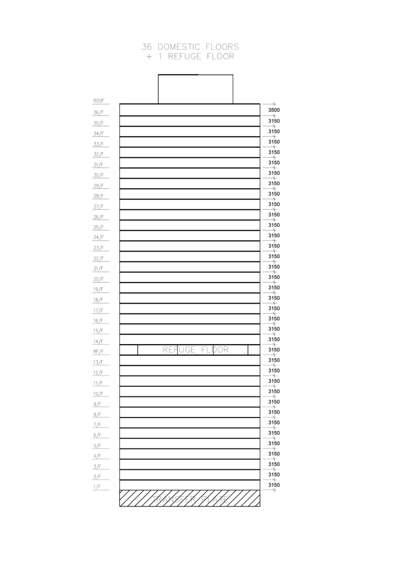
Schematic Section | Sheet no. | 1

Plans and Elevation (2)
Floor Plans | Sheet no. | 2
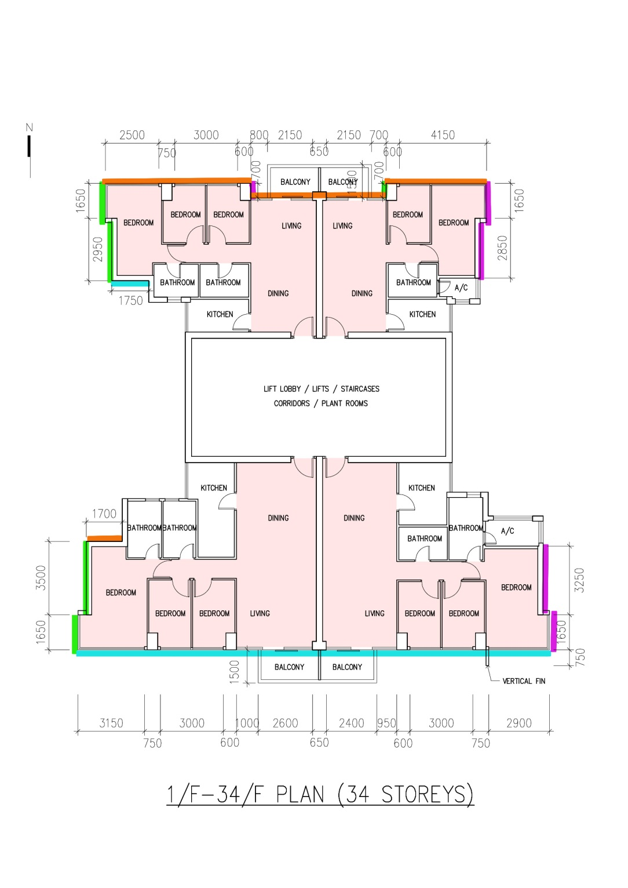
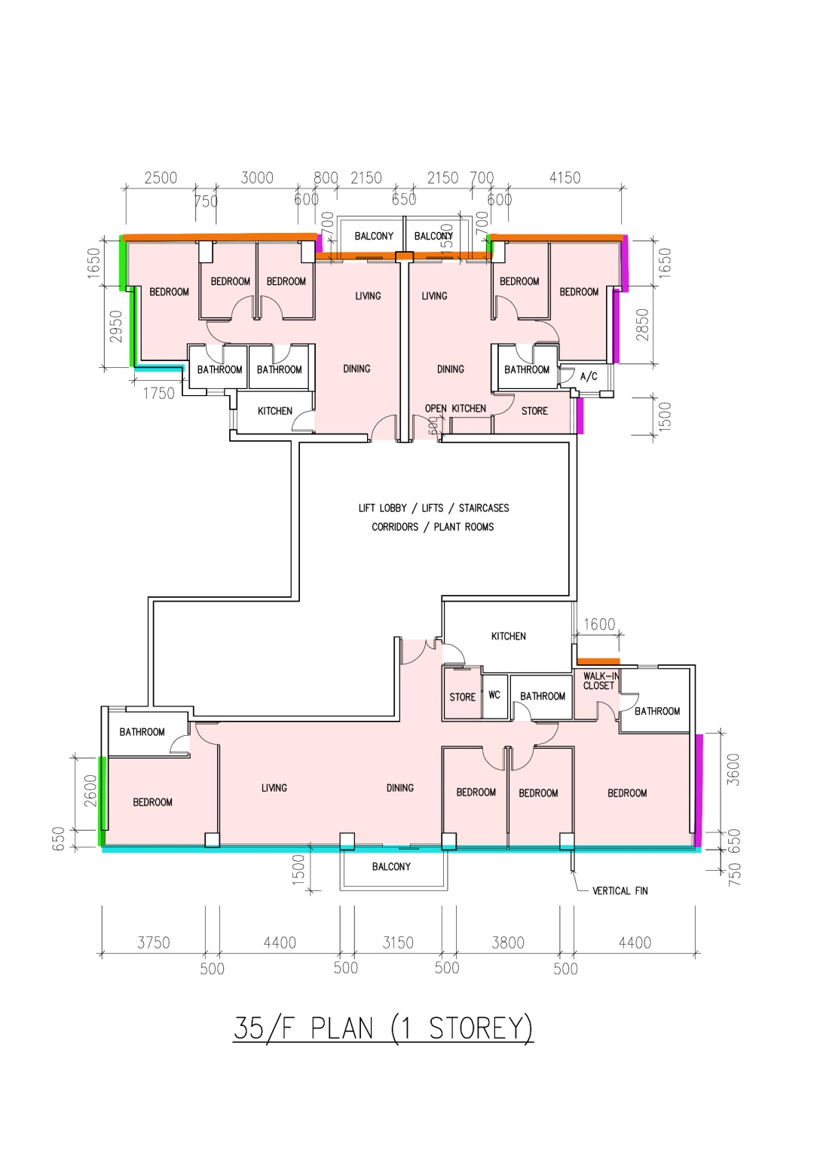

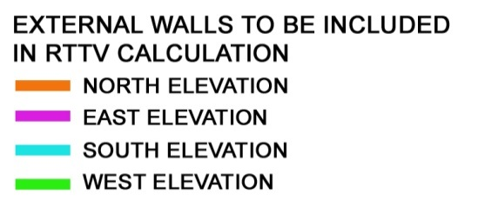

Plans and Elevation (3)
Floor Plans | Sheet no. | 3
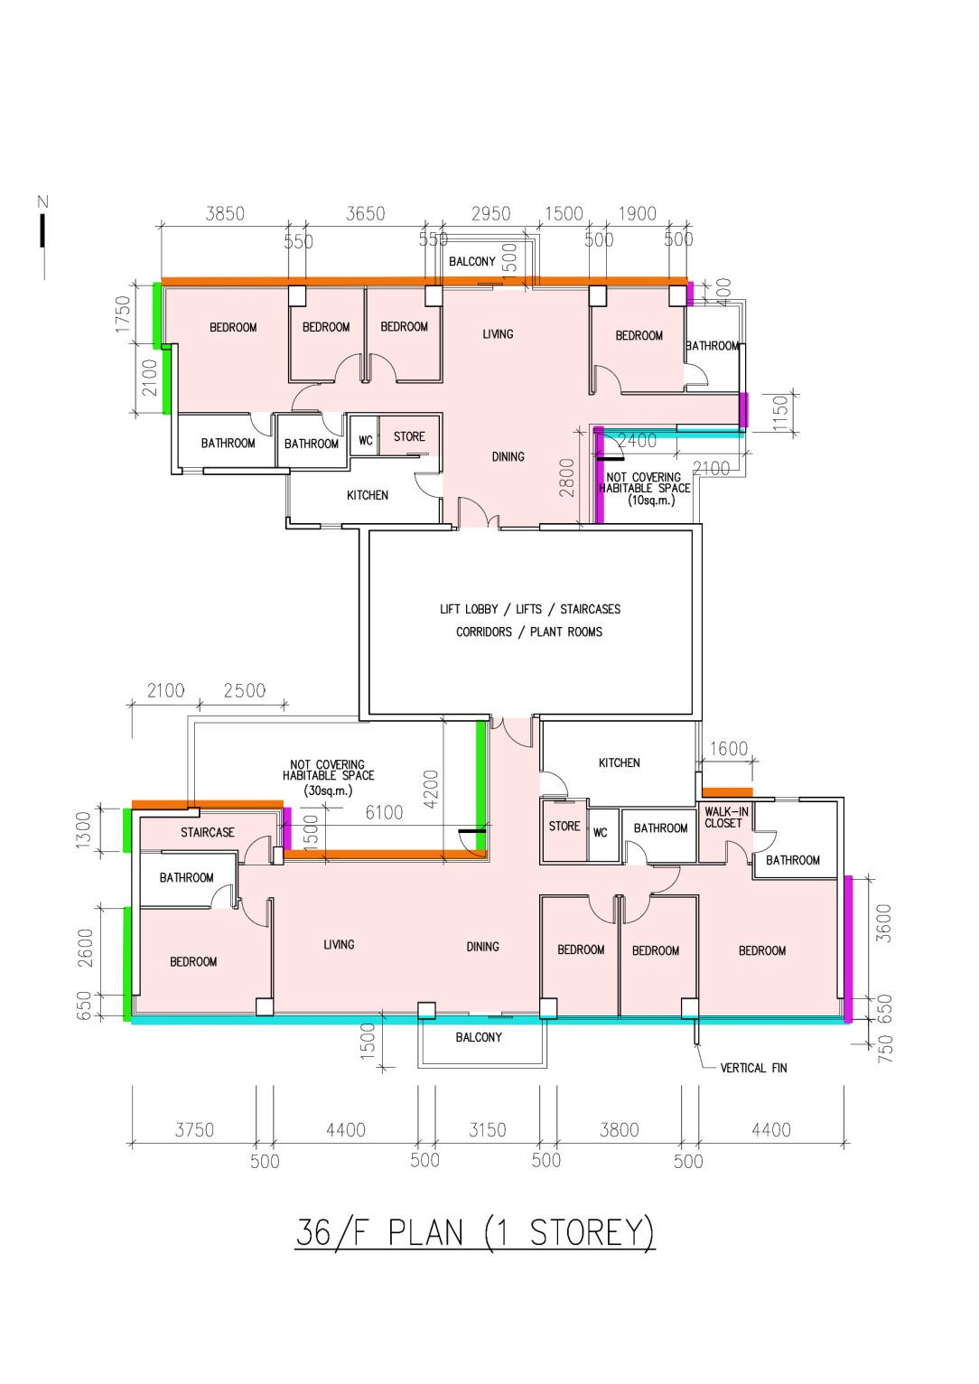
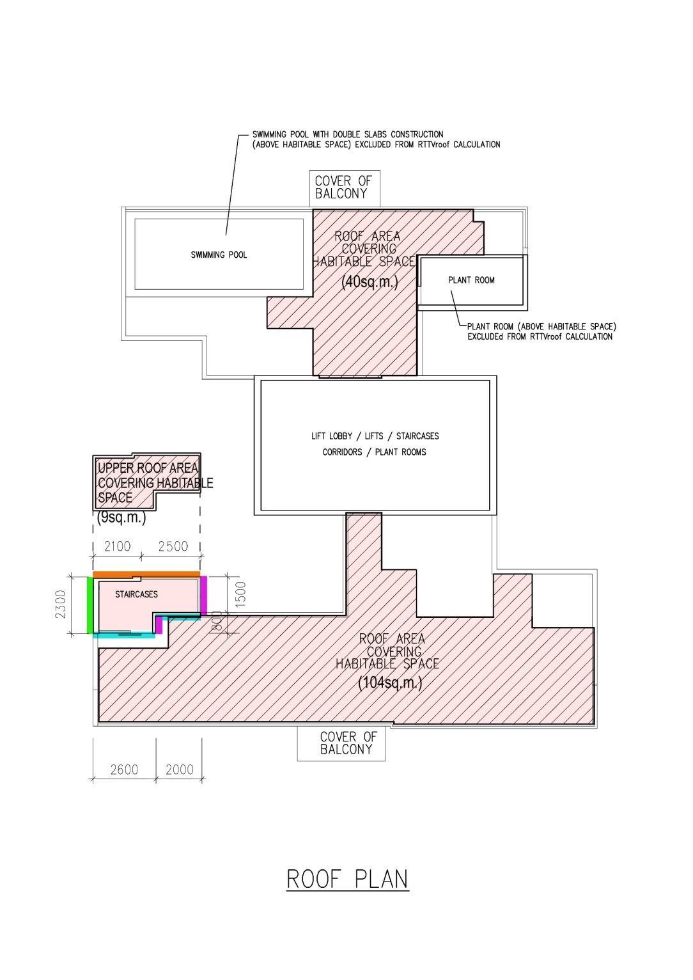

Typical Sections (4)
Typical Sections |  |  |  | Sheet no. | 4

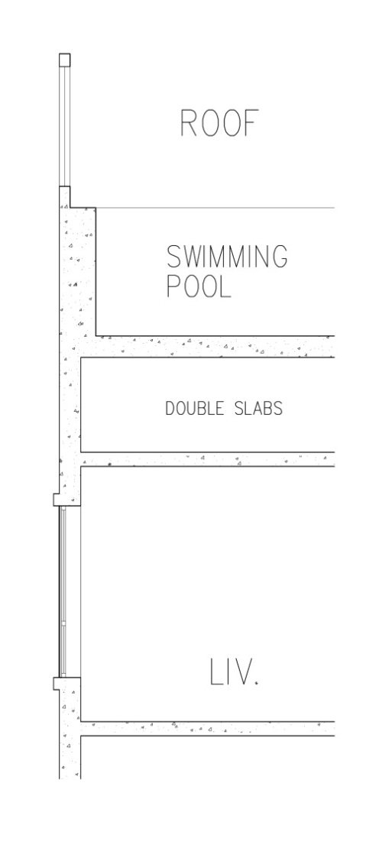
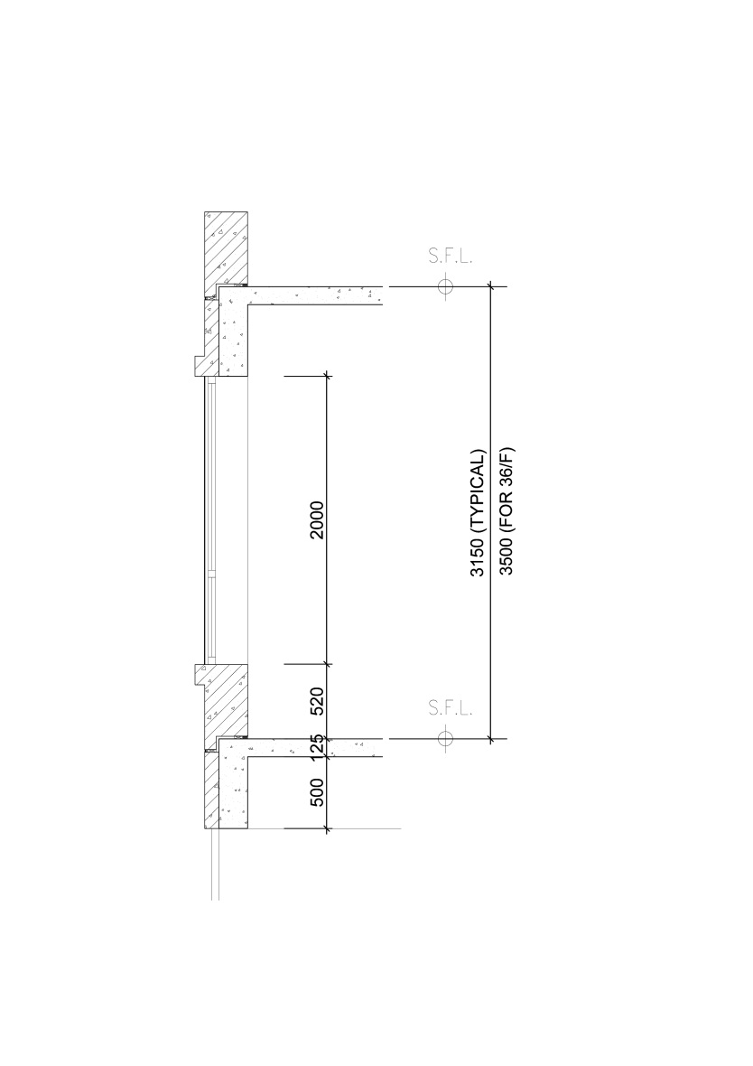
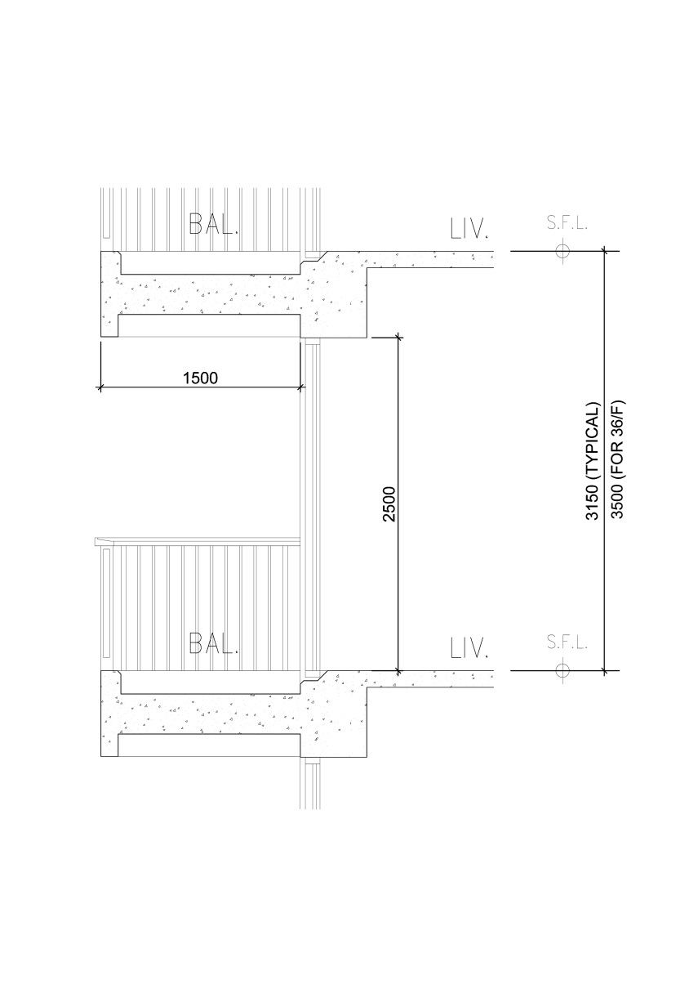

 | TYPICAL SECTION OF WINDOW | TYPICAL SECTION OF BALCONY | SWIMMING POOL WITH
 |  |  | DOUBLE SLAB CONSTRUCTION

Construction Details (5)
Construction Details of Wall, Column and Roof |  |  | Sheet no. | 5

125

125

 | ROOF | WALL

 |  | COLUMN

